Sheet1
 |  | Document No. | Issue No. | Issue Date |  |  | Review and Replace Date |  |  | Authorised By
 |  | GFF026MC | 5 | 29.10.2018 |  |  | 08.04.2022 |  |  | Magda Shah
 |  | Document Title | 10 Brie De Meaux & Cranberry Basket 160g
Document amendments reason for change |  | Film Updated |  |  | Page 1 of 1 |  | Previous Issue Date |  | 19.10.2021 | Uncontrolled copy unless signed original

CBCB-R1TEB | BOOTHS - XMAS |  | 10 BRIE DE MEAUX & CRANBERRY BASKETS 160g
STEP 1 |  |  |  |  |  | STEP 2
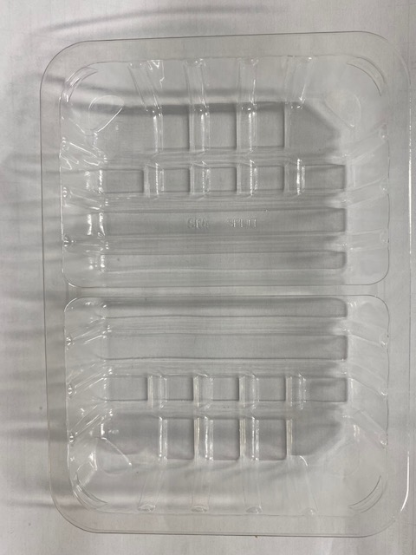

Tray: SK4 Split Clear (PKESS001-06) |  |  |  |  |  | Tartlets IRIS (RMPID001-01) 4.5g
Film: ME300AFV2, 300mmx 1000m (PKPRO001-16)
STEP 3
 |  |  |  |  |  |  |  | 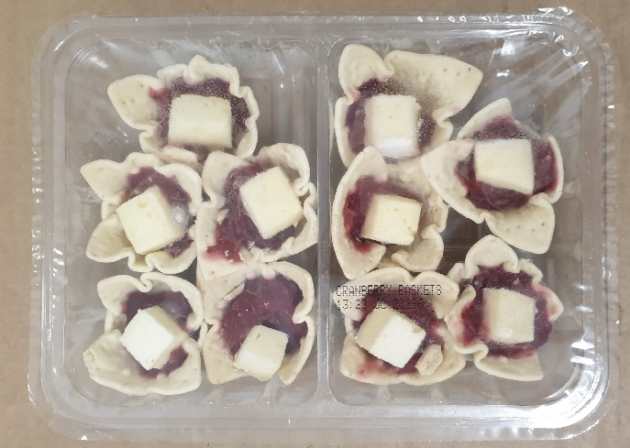

Cooked Cranberry Sauce (GFF174R) 7.5g |  |  | Brie de Meaux (RMHAB001-30) 4.5g |  |  |  |  | TOTAL WEIGHT: 160g

ALLERGY ALERT: MILK, WHEAT

